Extra Heavy Ftgs


 |  | Extra Heavy Fittings
 |  | XFS Pricelist January 1, 2012

www.leointernational.com
(718) 290-8005
info@leointernational.com |  |  |  |  | Your Multiplier: |  | 0.0000

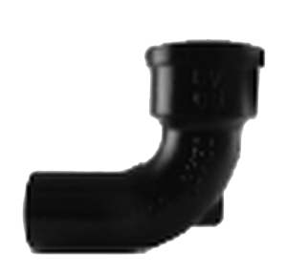
 | QUARTER BEND
 | NOM SIZE | ITEM CODE | LIST PRICE | NET PRICE | WGT | INNER | CASE
 |  |  | Mult. = | 0.0000
 | 2" | XFS14B2 | $28.10 | $0.000 | 6.30 | 225 | 450
 | 3" | XFS14B3 | $55.70 | $0.000 | 11.1 | 110 | 220
 | 4" | XFS14B4 | $81.20 | $0.000 | 15.5 | 55 | 110
 | 5" | XFL14B5 | $128.30 | $0.000 | 18.5 | 25 | 50
 | 6" | XFL14B6 | $135.10 | $0.000 | 25.8 | 25 | 50
 | 8" | XFL14B8 | $352.80 | $0.000 | 47.0 | 4 | 8

 | SIXTH BEND
 | NOM SIZE | ITEM CODE | LIST PRICE | NET PRICE | WGT | INNER | CASE
 |  |  | Mult. = | 0.0000
 | 2" | XFS6B2 | $42.90 | $0.000 | 6.0 | 225 | 450
 | 3" | XFS6B3 | $65.50 | $0.000 | 7.20 | 70 | 140
 | 4" | XFS6B4 | $82.40 | $0.000 | 14.0 | 40 | 80
 | 6" | XFL6B6 | $142.90 | $0.000 | 21.0 | 4 | 8

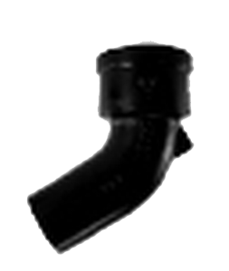
 | EIGHTH BEND
 | NOM SIZE | ITEM CODE | LIST PRICE | NET PRICE | WGT | INNER | CASE
 |  |  | Mult. = | 0.0000
 | 2" | XFS18B2 | $27.90 | $0.000 | 4.70 | 275 | 550
 | 3" | XFS18B3 | $44.50 | $0.000 | 8.80 | 130 | 130
 | 4" | XFS18B4 | $67.40 | $0.000 | 12.4 | 70 | 140
 | 5" | XFL18B5 | $95.60 | $0.000 | 15.0 | 20 | 40
 | 6" | XFL18B6 | $101.30 | $0.000 | 18.9 | 35 | 70
 | 8" | XFL18B8 | $253.40 | $0.000 | 36.2 | 4 | 8

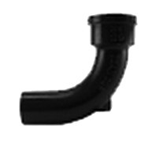
 | SHORT SWEEP BEND
 | NOM SIZE | ITEM CODE | LIST PRICE | NET PRICE | WGT | INNER | CASE
 |  |  | Mult. = | 0.0000
 | 2" | XFSSS2 | $37.80 | $0.000 | 7.20 | 170 | 340
 | 3" | XFSSS3 | $75.40 | $0.000 | 13.0 | 80 | 160
 | 4" | XFSSS4 | $101.30 | $0.000 | 18.2 | 40 | 80
 | 5" | XFLSS5 | $181.00 | $0.000 | 23.8 | 10 | 20
 | 6" | XFLSS6 | $220.50 | $0.000 | 28.4 | 6 | 12
 | 8" | XFLSS8 | $391.00 | $0.000 | 57.00 | 4 | 8

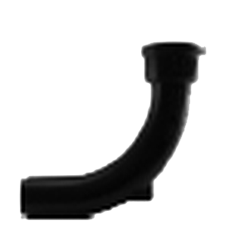
 | LONG SWEEP BEND
 | NOM SIZE | ITEM CODE | LIST PRICE | NET PRICE | WGT | INNER | CASE
 |  |  | Mult. = | 0.0000
 | 2" | XFSLS2 | $47.30 | $0.000 | 9.0 | 115 | 225
 | 3" | XFSLS3 | $96.20 | $0.000 | 16.6 | 55 | 110
 | 4" | XFSLS4 | $124.30 | $0.000 | 23.6 | 30 | 60
 | 5" | XFLLS5 | $203.70 | $0.000 | 30.0 | 80 | 160
 | 6" | XFLLS6 | $215.90 | $0.000 | 38.2 | 15 | 30
 | 8" | XFLLS8 | $481.60 | $0.000 | 74.0 | 40 | 80

 | COMBINATION Y AND EIGHTH BEND
 | NOM SIZE | ITEM CODE | LIST PRICE | NET PRICE | WGT | INNER | CASE
 |  |  | Mult. = | 0.0000
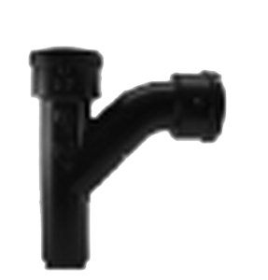
 | 2" | XFSC2 | $73.00 | $0.000 | 9.70 | 100 | 200
 | 3"X2" | XFSC32 | $94.10 | $0.000 | 16.0 | 60 | 120
 | 3" | XFSC3 | $122.80 | $0.000 | 18.2 | 50 | 100
 | 4"X2" | XFSC42 | $108.60 | $0.000 | 18.9 | 47 | 95
 | 4"X3" | XFSC43 | $139.60 | $0.000 | 22.0 | 35 | 70
 | 4" | XFSC4 | $161.70 | $0.000 | 28.1 | 25 | 50
 | 5"X4" | XFLC54 | $257.50 | $0.000 | 29.3 | 20 | 40
 | 5" | XFLC5 | $277.50 | $0.000 | 33.7 | 25 | 50
 | 6"X2" | XFLC62 | $198.40 | $0.000 | 22.0 | 15 | 30
 | 6"X3" | XFLC63 | $224.60 | $0.000 | 30.40 | 20 | 40
 | 6"X4" | XFLC64 | $236.90 | $0.000 | 38.5 | 15 | 30
 | 6" | XFLC6 | $306.50 | $0.000 | 53.5 | 12 | 25
 | 8"X4" | XFLC84 | $420.00 | $0.000 | 54.0 | 20 | 40
 | 8"X6" | XFLC86 | $552.20 | $0.000 | 70.5 | 20 | 40
 | 8" | XFLC8 | $685.60 | $0.000 | 107.4 | 8 | 16

 | SANITARY TEE
 |  |  |  |  |  | QTY
 | NOM SIZE | ITEM CODE | LIST PRICE | NET PRICE | WGT | INNER | CASE
 |  |  | Mult. = | 0.0000
 | 2" | XFSTY2 | $51.10 | $0.000 | 8.70 | 120 | 240
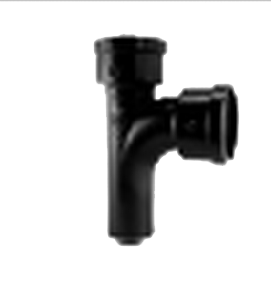
 | 3"X2" | XFSTY32 | $99.20 | $0.000 | 14.2 | 65 | 130
 | 3" | XFSTY3 | $126.30 | $0.000 | 17.1 | 60 | 120
 | 4"X2" | XFSTY42 | $128.00 | $0.000 | 17.4 | 45 | 90
 | 4"X3" | XFSTY43 | $136.30 | $0.000 | 18.3 | 40 | 80
 | 4" | XFSTY4 | $133.80 | $0.000 | 22.5 | 35 | 70
 | 5" | XFLTY5 | $256.10 | $0.000 | 28.0 | 25 | 50
 | 6"X3" | XFLTY63 | $204.10 | $0.000 | 24.40 | 20 | 40
 | 6"X4" | XFLTY64 | $217.30 | $0.000 | 28.0 | 22 | 45
 | 6" | XFLTY6 | $256.70 | $0.000 | 35.4 | 17 | 35
 | 8"X4" | XFLTY84 | $468.30 | $0.000 | 51.0 | 20 | 40
 | 8"X6" | XFLTY86 | $692.90 | $0.000 | 54.5 | 20 | 40
 | 8" | XFLTY8 | $723.40 | $0.000 | 72.0 | 8 | 16

 | WYE
 |  |  |  |  |  | QTY
 | NOM SIZE | ITEM CODE | LIST PRICE | NET PRICE | WGT | INNER | CASE
 |  |  | Mult. = | 0.0000
 | 2" | XFSY2 | $51.10 | $0.000 | 9.0 | 110 | 220
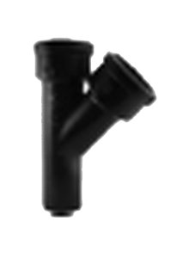
 | 3"X2" | XFSY32 | $99.20 | $0.000 | 13.2 | 75 | 150
 | 3" | XFSY3 | $121.00 | $0.000 | 17.20 | 55 | 110
 | 4"X2" | XFSY42 | $121.40 | $0.000 | 16.8 | 50 | 100
 | 4"X3" | XFSY43 | $146.70 | $0.000 | 20.6 | 40 | 80
 | 4" | XFSY4 | $169.80 | $0.000 | 23.7 | 30 | 60
 | 5'X3' | XFLY53 | $210.00 | $0.000 | 23.7 | 25 | 50
 | 5"X4" | XFLY54 | $231.80 | $0.000 | 28.30 | 20 | 40
 | 5" | XFLY5 | $243.70 | $0.000 | 31.60 | 18 | 36
 | 6"X3" | XFLY63 | $194.10 | $0.000 | 26.8 | 18 | 36
 | 6"X4" | XFLY64 | $241.20 | $0.000 | 31.9 | 20 | 40
 | 6"X5' | XFLY65 | $300.50 | $0.000 | 33.8 | 16 | 32
 | 6" | XFLY6 | $310.60 | $0.000 | 41.20 | 15 | 30
 | 8"X4" | XFLY84 | $553.30 | $0.000 | 50.2 | 10 | 20
 | 8"X6" | XFLY86 | $599.80 | $0.000 | 61.5 | 6 | 12
 | 8' | XFLY8 | $768.20 | $0.000 | 86.6 | 6 | 12

 | REDUCER
 | NOM SIZE | ITEM CODE | LIST PRICE | NET PRICE | WGT | INNER | CASE
 |  |  | Mult. = | 0.0000
 | 3"X2" | XFSR32 | $39.70 | $0.000 | 6.00 | 215 | 430
 | 4"X2" | XFSR42 | $46.80 | $0.000 | 7.00 | 140 | 280
 | 4"X3" | XFSR43 | $58.50 | $0.000 | 8.90 | 120 | 240
 | 5"X3" | XFLR53 | $76.80 | $0.000 | 11.0 | 45 | 90
 | 5"X4" | XFLR54 | $75.70 | $0.000 | 11.0 | 75 | 150
 | 6"X3" | XFLR63 | $80.80 | $0.000 | 12.0 | 35 | 70
 | 6"X4" | XFLR64 | $74.30 | $0.000 | 12.1 | 65 | 130
 | 6"X5" | XFLR65 | $93.30 | $0.000 | 12.60 | 20 | 40
 | 8"X4" | XFLR84 | $172.00 | $0.000 | 19.1 | 22 | 45
 | 8"X5" | XFLR85 | $176.50 | $0.000 | 19.5 | 17 | 35
 | 8"X6" | XFLR86 | $181.00 | $0.000 | 19.0 | 8 | 16

 | INCREASER
 | NOM SIZE | ITEM CODE | LIST PRICE | NET PRICE | WGT | INNER | CASE
 |  |  | Mult. = | 0.0000
 | 4"X6" | XFLI46 | $157.40 | $0.000 | 15.8 | 20 | 40
 | 6"X8" | XFLI68 | $338.60 | $0.000 | 33.80 | 8 | 16

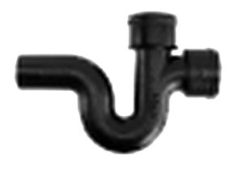
 | RUNNING TRAP WITH SINGLE HUB VENT
 | NOM SIZE | ITEM CODE | LIST PRICE | NET PRICE | WGT | INNER | CASE
 |  |  | Mult. = | 0.0000
 | 3" | XFSST3 | $176.50 | $0.000 | 22.8 | 180 | 360
 | 4" | XFSST4 | $247.80 | $0.000 | 35.6 | 22 | 45
 | 5" | XFLST5 | $421.60 | $0.000 | 46.0 | 40 | 80
 | 6" | XFLST6 | $1,133.20 | $0.000 | 59.0 | 40 | 80

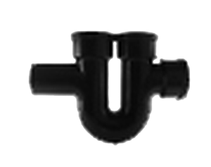
 | RUNNING TRAP WITH DOUBLE HUB VENT
 | NOM SIZE | ITEM CODE | LIST PRICE | NET PRICE | WGT | INNER | CASE
 |  |  | Mult. = | 0.0000
 | 3" | XFSDT3 | $207.10 | $0.000 | 30.0 | 300 | 600
 | 4" | XFSDT4 | $287.20 | $0.000 | 37.4 | 17 | 35
 | 5"X4" | XFLDT54 | $475.60 | $0.000 | 50.0 | 110 | 220
 | 6"X4" | XFLDT64 | $882.30 | $0.000 | 65.5 | 70 | 140
 | 8"X4" | XFLDT84 | $3,723.70 | $0.000 | 127.0 | 18 | 36

 | Weights subject to change

