Service Weight Ftgs


 |  | Service Weight Fittings
 |  | SFS Pricelist January 1, 2012

www.leointernational.com
(718) 290-8005
info@leointernational.com |  |  |  |  | Your Multiplier: |  | 0.0000

 | QUARTER BEND
 | NOM SIZE | ITEM CODE | LIST PRICE | NET PRICE | WGT | INNER | CASE
 |  |  | Mult. = | 0.0000
 |  | SFS14B2 | $26.00 | $0.000 | 5.10 | 225 | 450
 | 3" | SFS14B3 | $34.70 | $0.000 | 7.70 | 110 | 225
 | 4" | SFS14B4 | $54.30 | $0.000 | 13.10 | 60 | 120
 | 5" | SFL14B5 | $75.80 | $0.000 | 16.20 | 1 | 1
 | 6" | SFL14B6 | $94.50 | $0.000 | 21.70 | 25 | 50
 | 8" | SFL14B6 | $284.70 | $0.000 | 36.50 | 1 | 1

 | SIXTH BEND
 | NOM SIZE | ITEM CODE | LIST PRICE | NET PRICE | WGT | INNER | CASE
 |  |  | Mult. = | 0.0000
 | 2" | SFS6B2 | $32.80 | $0.000 | 4.30 | 1 | 1
 | 3" | SFS6B3 | $43.30 | $0.000 | 6.90 | 1 | 1
 | 4" | SFS6B4 | $51.90 | $0.000 | 10.80 | 1 | 1
 | 5" | SFL6B5 | $100.30 | $0.000 | 14.00 | 1 | 1
 | 6" | SFL6B6 | $118.20 | $0.000 | 16.40 | 1 | 1
 | 8" | SFL6B8 | $257.70 | $0.000 | 32.50 | 1 | 1

 | EIGHTH BEND
 | NOM SIZE | ITEM CODE | LIST PRICE | NET PRICE | WGT | INNER | CASE
 |  |  | Mult. = | 0.0000
 | 2" | SFS18B2 | $18.50 | $0.000 | 4.20 | 275 | 550
 | 3" | SFS18B3 | $29.00 | $0.000 | 6.50 | 135 | 270
 | 4" | SFS18B4 | $42.50 | $0.000 | 10.70 | 80 | 160
 | 5" | SFL18B5 | $58.70 | $0.000 | 13.10 | 1 | 1
 | 6" | SFL18B6 | $71.80 | $0.000 | 16.60 | 40 | 80
 | 8" | SFL18B8 | $214.50 | $0.000 | 32.30 | 1 | 1

 | SIXTEENTH BEND
 | NOM SIZE | ITEM CODE | LIST PRICE | NET PRICE | WGT | INNER | CASE
 |  |  | Mult. = | 0.0000
 | 2" | SFS16B2 | $21.00 | $0.000 | 3.40 | 330 | 660
 | 3" | SFS16B3 | $31.90 | $0.000 | 6.00 | 150 | 330
 | 4" | SFS16B4 | $37.10 | $0.000 | 8.80 | 85 | 170
 | 5" | SFL16B5 | $61.10 | $0.000 | 11.60 | 1 | 1
 | 6" | SFL16B6 | $62.70 | $0.000 | 13.80 | 50 | 100
 | 8" | SFL16B8 | $220.00 | $0.000 | 24.60 | 20 | 40

 | SHORT SWEEP
 |  | ITEM CODE | LIST PRICE | NET PRICE | WGT | INNER | CASE
 |  |  | Mult. = | 0.0000
 | 2" | SFSSS2 | $25.50 | $0.000 | 6.20 | 180 | 375
 | 3" | SFSSS3 | $45.40 | $0.000 | 9.40 | 85 | 170
 | 4" | SFSSS4 | $69.50 | $0.000 | 16.60 | 50 | 100
 | 5" | SFLSS5 | $117.10 | $0.000 | 20.70 | 40 | 85
 | 6" | SFLSS6 | $141.00 | $0.000 | 26.60 | 10 | 60
 | 8" | SFLSS8 | $305.80 | $0.000 | 37.40 | 8 | 20

 | LONG SWEEP
 | NOM SIZE | ITEM CODE | LIST PRICE | NET PRICE | WGT | INNER | CASE
 |  |  | Mult. = | 0.0000
 | 2" | SFSLS2 | $39.40 | $0.000 | 7.60 | 120 | 240
 | 3" | SFSLS3 | $56.20 | $0.000 | 12.20 | 60 | 120
 | 4" | SFSLS4 | $82.60 | $0.000 | 21.20 | 35 | 70
 | 5" | SFLS5 | $136.60 | $0.000 | 25.30 | 1 | 1
 | 6" | SFLLS6 | $166.10 | $0.000 | 29.90 | 1 | 1
 | 8" | SFLLS8 | $375.80 | $0.000 | 52.90 | 1 | 1

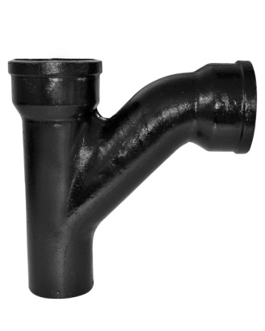
 | COMBINATION WYE AND EIGHTH BEND
 | NOM SIZE | ITEM CODE | LIST PRICE | NET PRICE | WGT | INNER | CASE
 |  |  | Mult. = | 0.0000
 | 2" | SFSC2 | $45.40 | $0.000 | 8.60 | 100 | 210
 | 3" | SFSC3 | $69.10 | $0.000 | 14.80 | 50 | 100
 | 4"X2" | SFSC42 | $70.40 | $0.000 | 15.50 | 50 | 100
 | 4"X3" | SFSC43 | $82.70 | $0.000 | 19.20 | 40 | 80
 | 4" | SFSC4 | $95.20 | $0.000 | 24.50 | 25 | 50
 | 5"X3" | SFLC53 | $194.70 | $0.000 | 21.30 | 10 | 1
 | 5" | SFLC53 | $180.60 | $0.000 | 33.60 | 1 | 1
 | 6"X4" | SFLC64 | $164.70 | $0.000 | 31.70 | 1 | 1

 | SANITARY TEE
 | NOM SIZE | ITEM CODE | LIST PRICE | NET PRICE | WGT | INNER | CASE
 |  |  | Mult. = | 0.0000
 | 2" | SFSTY2 | $36.30 | $0.000 | 7.90 | 125 | 250
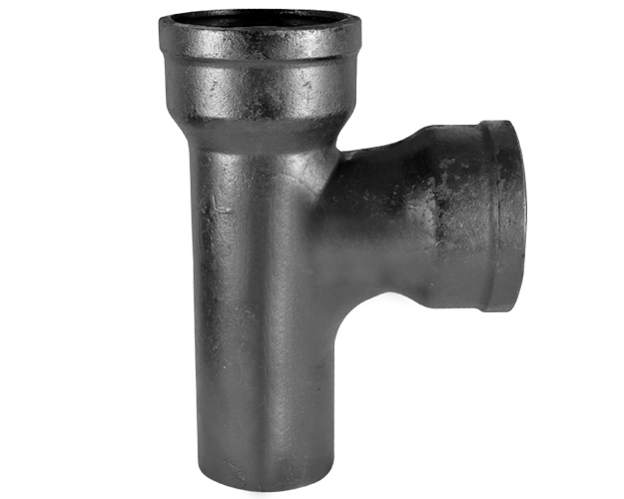
 | 3"X2" | SFSTY32 | $50.40 | $0.000 | 10.90 | 70 | 70
 | 3" | SFSTY32 | $58.70 | $0.000 | 11.90 | 65 | 65
 | 4"X2" | SFSTY42 | $61.40 | $0.000 | 14.20 | 50 | 50
 | 4"X3" | SFSTY43 | $65.90 | $0.000 | 16.90 | 40 | 40
 | 4" | SFSTY4 | $71.80 | $0.000 | 18.60 | 35 | 35
 | 5"X4" | SFLTY54 | $134.70 | $0.000 | 17.90 | 1 | 1
 | 5" | SFLTY54 | $143.10 | $0.000 | 22.30 | 1 | 1
 | 6"X4" | SFLTY64 | $183.40 | $0.000 | 22.80 | 20 | 45
 | 6" | SFLTY64 | $162.20 | $0.000 | 29.80 | 18 | 35

 | WYE
 | NOM SIZE | ITEM CODE | LIST PRICE | NET PRICE | WGT | INNER | CASE
 |  |  | Mult. = | 0.0000
 | 2" | SFSY2 | $33.10 | $0.000 | 8.30 | 115 | 230
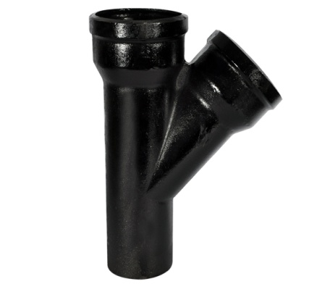
 | 3"X2" | SFSY32 | $47.60 | $0.000 | 10.90 | 80 | 160
 | 3" | SFSY3 | $61.40 | $0.000 | 12.20 | 60 | 120
 | 4"X2" | SFSY42 | $63.90 | $0.000 | 14.40 | 50 | 105
 | 4"X3" | SFSY43 | $70.40 | $0.000 | 16.80 | 45 | 90
 | 4" | SFSY4 | $82.20 | $0.000 | 20.30 | 35 | 70
 | 5"X3" | SFLY54 | $114.60 | $0.000 | 19.80 | 37 | 75
 | 5"X4" | SFLY53 | $111.90 | $0.000 | 23.00 | 1 | 1
 | 5" | SFLY5 | $145.40 | $0.000 | 27.00 | 1 | 1
 | 6"X4" | SFLY64 | $127.40 | $0.000 | 26.70 | 20 | 40
 | 6"X5" | SFLY65 | $178.60 | $0.000 | 29.50 | 1 | 1
 | 8"X5" | SFLY85 | $287.10 | $0.000 | 41.20 | 1 | 1
 | 8"X6" | SFLY86 | $301.80 | $0.000 | 45.40 | 1 | 1

 | Weights subject to change

